Sheet1
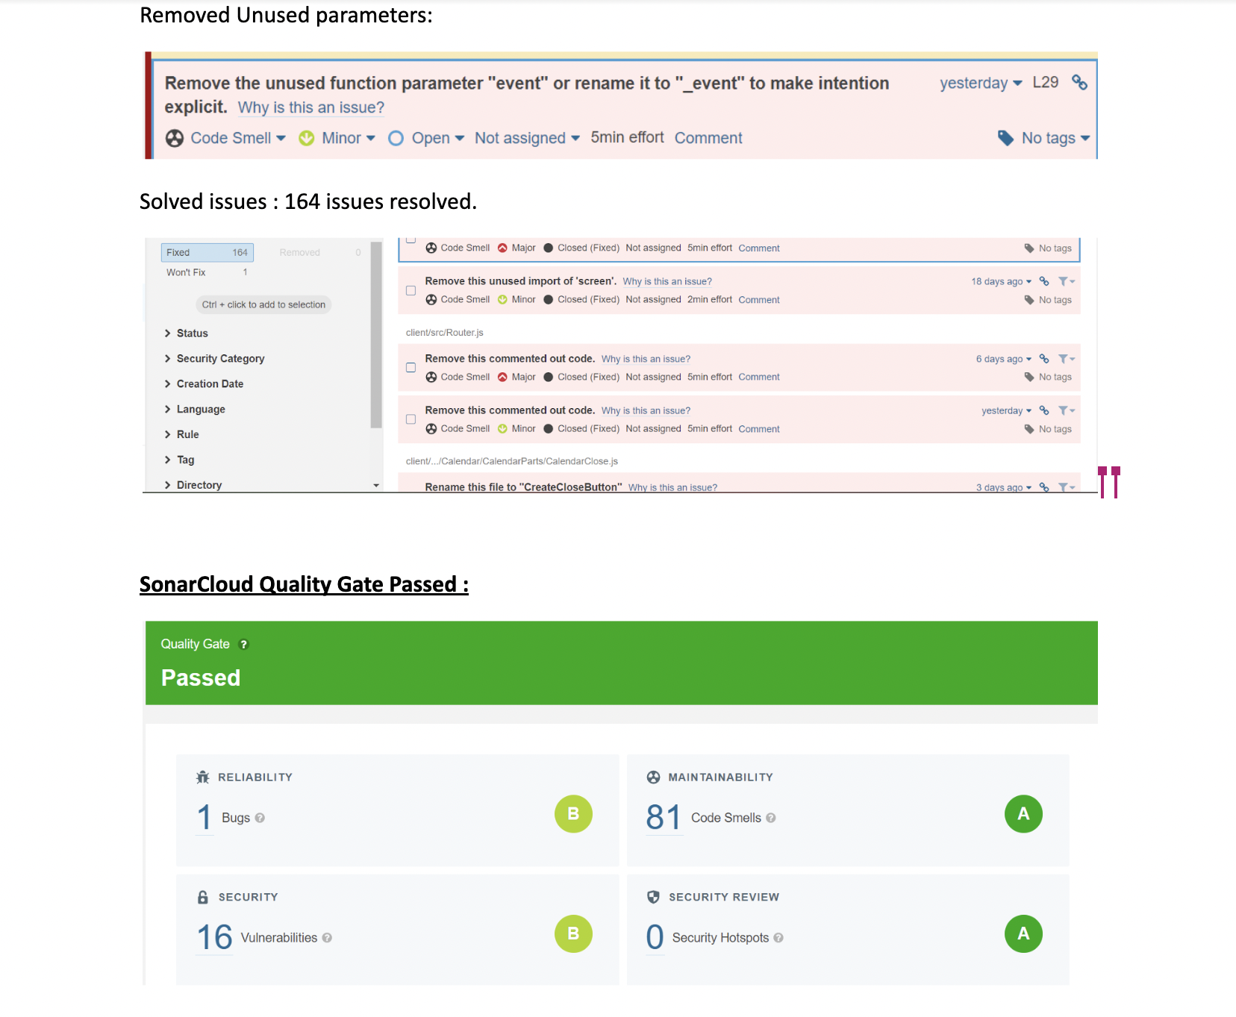
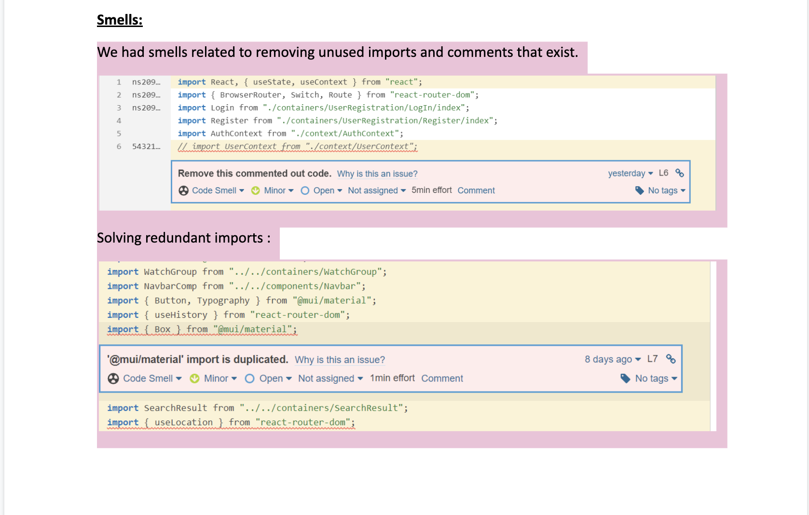
SMELLS | SMELL DETAILS | STATUS
CODE SMELLS | Remove this commented out code. | Refactored
 | import is duplicated | Refactored
 | Rename this file | Refactored
 | Remove the unused function parameter | Refactored
 | Remove the declaration of the unused | Refactored
 | Redundant use of functions | Refactored

 | Total issues refactored | 164

UNSOLVED ISSUES | Unexpected unknown at-rule "@tailwind" | Not Refactrored as tailwind is an external CSS Library.
 | Unexpected empty method 'indexMonthSet' | The method was used across application for Indexing month, thus it had to be index empty to be reused
 | NoSQL operations should not be vulnerable to injection attacks | Not Refactrored as tailwind is an external CSS Library.
 | Change this code to not construct database queries directly from user-controlled data. | Did not find any efficinet way to refactor and solve this issue.
we have solved implementation smells and architectural issues by having good design principles and best practices

